Graphs
 |  |  |  |  |  |  | https://qz.com/1155837/how-doug-jones-beat-roy-moore-maps-of-alabama-in-1860-and-2017-offer-a-startling-comparison/
Contest Title | (All) |  |  |  |  |  | http://www2.alabamavotes.gov/electionNight/statewideResultsByContest.aspx?ecode=1000915

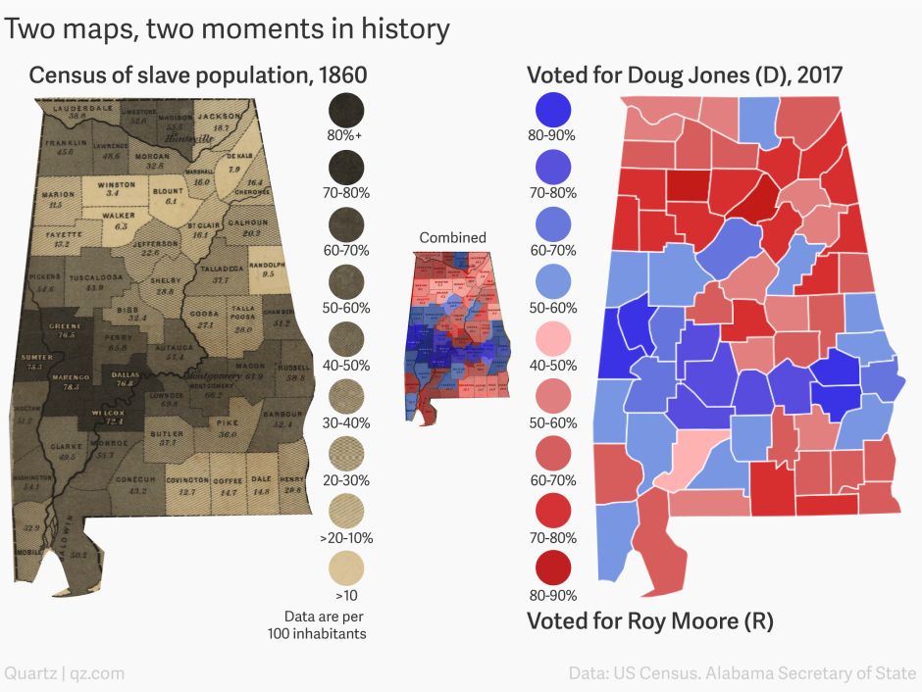
Sum of Votes | Column Labels |  |  |  |  |  | East-West Counties
Row Labels | Doug Jones | Roy S. Moore | Write-In | Grand Total | All Counties | All Counties |  | Jones | Slavery
Autauga | 38.37% | 59.90% | 1.73% | 100.00% | 57.40% | 57.40% | Autauga | 38.37% | 57.40%
Baldwin | 35.54% | 61.73% | 2.73% | 100.00% | 50.20% | 50.20% | Barbour | 57.32% | 52.40%
Barbour | 57.32% | 42.04% | 0.64% | 100.00% | 52.40% | 52.40% | Chambers | 55.72% | 51.40%
Bibb | 29.95% | 68.79% | 1.26% | 100.00% | 32.40% | 32.40% | Dallas | 74.75% | 76.80%
Blount | 16.93% | 81.80% | 1.27% | 100.00% | 6.10% | 6.10% | Greene | 87.64% | 76.50%
Bullock | 80.36% | 19.44% | 0.21% | 100.00% | #N/A |  | Lowndes | 79.27% | 69.80%
Butler | 51.02% | 48.26% | 0.72% | 100.00% | 37.70% | 37.70% | Macon | 88.14% | 67.90%
Calhoun | 43.89% | 54.62% | 1.50% | 100.00% | 20.20% | 20.20% | Marengo | 61.07% | 78.30%
Chambers | 55.72% | 43.40% | 0.88% | 100.00% | 51.40% | 51.40% | Montgomery | 72.31% | 66.20%
Cherokee | 27.09% | 70.98% | 1.94% | 100.00% | 16.40% | 16.40% | Perry | 79.04% | #N/A
Chilton | 23.01% | 75.66% | 1.32% | 100.00% | #N/A |  | Russell | 64.77% | 58.50%
Choctaw | 53.84% | 46.16% | 0.00% | 100.00% | 51.20% | 51.20% | Sumter | 80.91% | 75.30%
Clarke | 51.90% | 47.58% | 0.51% | 100.00% | 49.50% | 49.50% | Wilcox | 76.71% | 72.40%
Clay | 27.25% | 71.54% | 1.22% | 100.00% | #N/A
Cleburne | 19.23% | 79.80% | 0.97% | 100.00% | #N/A
Coffee | 31.04% | 67.27% | 1.69% | 100.00% | 14.70% | 14.70%
Colbert | 46.39% | 52.45% | 1.16% | 100.00% | #N/A
Conecuh | 55.21% | 44.35% | 0.44% | 100.00% | 43.20% | 43.20%
Coosa | 42.71% | 56.39% | 0.91% | 100.00% | 27.10% | 27.10%
Covington | 23.32% | 75.71% | 0.98% | 100.00% | 12.70% | 12.70%
Crenshaw | 35.46% | 63.04% | 1.50% | 100.00% | #N/A
Cullman | 19.71% | 78.75% | 1.54% | 100.00% | #N/A
Dale | 35.04% | 63.72% | 1.24% | 100.00% | 14.80% | 14.80%
Dallas | 74.75% | 24.83% | 0.43% | 100.00% | 76.80% | 76.80%
DeKalb | 25.62% | 72.69% | 1.68% | 100.00% | 7.90% | 7.90%
Elmore | 34.33% | 64.16% | 1.50% | 100.00% | #N/A
Escambia | 41.78% | 57.22% | 1.00% | 100.00% | #N/A
Etowah | 39.21% | 58.49% | 2.30% | 100.00% | #N/A
Fayette | 24.39% | 74.55% | 1.07% | 100.00% | 13.20% | 13.20%
Franklin | 29.34% | 69.86% | 0.80% | 100.00% | 45.60% | 45.60%
Geneva | 18.92% | 79.72% | 1.37% | 100.00% | #N/A
Greene | 87.64% | 12.12% | 0.24% | 100.00% | 76.50% | 76.50%
Hale | 69.33% | 30.11% | 0.57% | 100.00% | #N/A
Henry | 38.32% | 60.91% | 0.77% | 100.00% | 29.80% | 29.80%
Houston | 37.65% | 61.17% | 1.18% | 100.00% | #N/A
Jackson | 30.82% | 67.75% | 1.43% | 100.00% | 18.70% | 18.70%
Jefferson | 68.11% | 30.20% | 1.69% | 100.00% | 22.60% | 22.60%
Lamar | 21.31% | 77.89% | 0.79% | 100.00% | #N/A
Lauderdale | 42.96% | 55.39% | 1.66% | 100.00% | 38.80% | 38.80%
Lawrence | 36.03% | 63.24% | 0.73% | 100.00% | 48.60% | 48.60%
Lee | 57.42% | 40.63% | 1.95% | 100.00% | #N/A
Limestone | 39.34% | 58.55% | 2.11% | 100.00% | 52.80% | 52.80%
Lowndes | 79.27% | 20.73% | 0.00% | 100.00% | 69.80% | 69.80%
Macon | 88.14% | 11.56% | 0.30% | 100.00% | 67.90% | 67.90%
Madison | 56.89% | 40.12% | 2.99% | 100.00% | 55.50% | 55.50%
Marengo | 61.07% | 38.09% | 0.84% | 100.00% | 78.30% | 78.30%
Marion | 19.72% | 79.25% | 1.02% | 100.00% | 11.30% | 11.30%
Marshall | 26.45% | 71.24% | 2.31% | 100.00% | 16.00% | 16.00%
Mobile | 56.33% | 42.28% | 1.39% | 100.00% | 32.90% | 32.90%
Monroe | 49.45% | 49.94% | 0.61% | 100.00% | 53.70% | 53.70%
Montgomery | 72.31% | 26.57% | 1.12% | 100.00% | 66.20% | 66.20%
Morgan | 35.44% | 62.38% | 2.17% | 100.00% | 32.80% | 32.80%
Perry | 79.04% | 20.68% | 0.28% | 100.00% | #N/A
Pickens | 50.41% | 48.83% | 0.76% | 100.00% | 54.60% | 54.60%
Pike | 48.41% | 50.41% | 1.18% | 100.00% | 36.00% | 36.00%
Randolph | 34.22% | 65.31% | 0.47% | 100.00% | 9.50% | 9.50%
Russell | 64.77% | 34.70% | 0.53% | 100.00% | 58.50% | 58.50%
Shelby | 41.67% | 55.70% | 2.63% | 100.00% | 28.80% | 28.80%
St. Clair | 27.52% | 70.44% | 2.04% | 100.00% | 16.10% | 16.10%
Sumter | 80.91% | 18.67% | 0.41% | 100.00% | 75.30% | 75.30%
Talladega | 50.12% | 48.76% | 1.12% | 100.00% | 37.70% | 37.70%
Tallapoosa | 38.54% | 60.21% | 1.24% | 100.00% | 28.00% | 28.00%
Tuscaloosa | 57.22% | 40.91% | 1.87% | 100.00% | 43.90% | 43.90%
Walker | 26.19% | 72.24% | 1.57% | 100.00% | 6.50% | 6.50%
Washington | 34.82% | 64.25% | 0.93% | 100.00% | 54.10% | 54.10%
Wilcox | 76.71% | 22.92% | 0.37% | 100.00% | 72.40% | 72.40%
Winston | 16.10% | 82.71% | 1.18% | 100.00% | 3.10% | 3.10%
Grand Total | 49.92% | 48.38% | 1.69% | 100.00%
Counts | 67 | 67 | 67 | 67 | 16 | 51
Min | 16.10% | 11.56% | 0.00% | 100.00% | #N/A | 3.10%
Max | 88.14% | 82.71% | 2.99% | 100.00% | #N/A | 78.30%

