Original
 | 1962 | 2009
Social Security | 30 | 38
Earnings | 28 | 29
Asset income | 15 | 11
Private pensions | 3 | 9
Government employee pensions | 6 | 9
Other | 16 | 4

scatter | x | y
Social Security | 1 | 30
Earnings | 1 | 28
Asset income | 1 | 15
Private pensions | 1 | 3
Government employee pensions | 1 | 6 |  | Red | 238:58:67
Other | 1 | 16 |  | Blue | 27:69:116

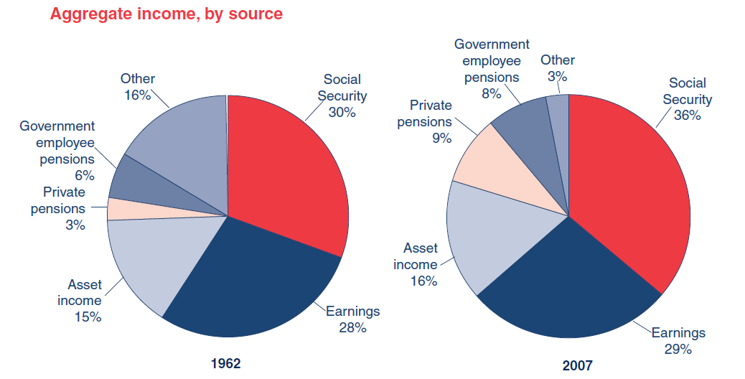

 |  |  | http://www.ssa.gov/policy/docs/chartbooks/fast_facts/2009/fast_facts09.pdf

ColumnChart
 |  |  | Shares of Aggregate Income, 1962 and 2009
 | 1962 | 2009 | (Percent)
Social Security | 30 | 38
Earnings | 28 | 29
Asset income | 15 | 11
Private pensions | 3 | 9
Government employee pensions | 6 | 9
Other | 18 | 4
Total

SlopeChart
 | 1962 | 2009 | Shares of Aggregate Income, 1962 and 2009
Social Security | 30 | 38 | (Percent)
Earnings | 28 | 29
Asset income | 15 | 11
Private pensions | 3 | 9
Government employee pensions | 6 | 9
Other | 18 | 4

StackedBarChart
 |  |  | Shares of Aggregate Income, 1962 and 2009
 | 1962 | 2009 | (Percent)
Social Security | 30 | 38
Earnings | 28 | 29
Other | 18 | 4
Asset income | 15 | 11
Government employee pensions | 6 | 9
Private pensions | 3 | 9

