Original
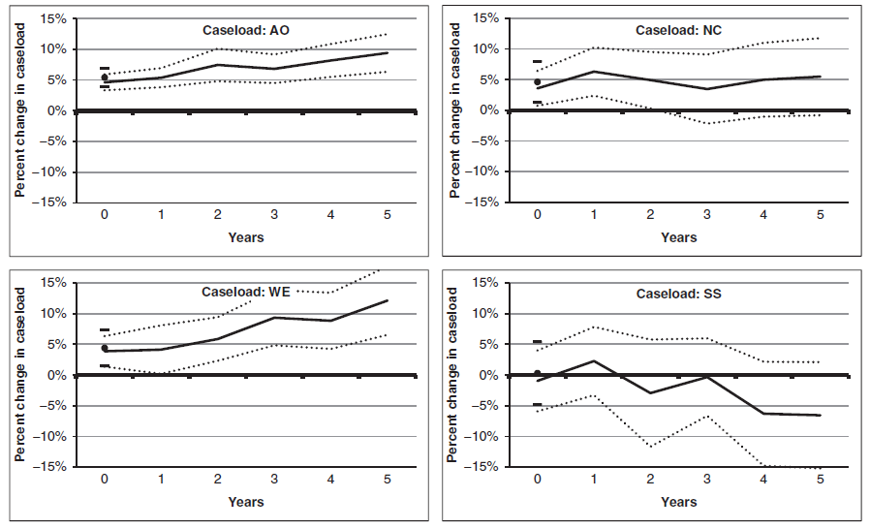

http://onlinelibrary.wiley.com/doi/10.1002/pam.20601/abstract

Redesign
 | Coeff | StdE | StdE | Line
 | Adult Only
0 | 4.6 | 5.9 | 3.3 | 0
1 | 5.4 | 6.9 | 3.8 | 0
2 | 7.5 | 10.1 | 4.8 | 0 | Implied Impulse Response Functions for Different Caseloads
3 | 6.8 | 9.2 | 4.5 | 0 | (Percentage change)
4 | 8.2 | 10.9 | 5.5 | 0
5 | 9.4 | 12.5 | 6.4 | 0
 | No Cash
0 | 3.6 | 6.4 | 0.7 | 0
1 | 6.3 | 10.2 | 2.4 | 0
2 | 4.9 | 9.5 | 0.3 | 0
3 | 3.5 | 9.1 | -2.2 | 0
4 | 5.0 | 11.0 | -1.0 | 0
5 | 5.5 | 11.7 | -0.8 | 0
 | Welfare Cash Assistance
0 | 3.9 | 6.4 | 1.4 | 0
1 | 4.1 | 8.1 | 0.2 | 0
2 | 5.9 | 9.4 | 2.3 | 0
3 | 9.3 | 13.9 | 4.8 | 0
4 | 8.8 | 13.4 | 4.3 | 0
5 | 12.1 | 17.7 | 6.5 | 0
 | SSI Cash Assistance
0 | -1.0 | 4.0 | -5.9 | 0
1 | 2.3 | 7.9 | -3.3 | 0
2 | -2.9 | 5.8 | -11.7 | 0
3 | -0.3 | 6.0 | -6.6 | 0
4 | -6.3 | 2.2 | -14.8 | 0
5 | -6.5 | 2.1 | -15.2 | 0

