Population
 |  |  |  | Series 1 |  | Series 2 |  | Series 3 |  | Series 4
Counter | Zip Code | Population | Group | x1 | y1 | x2 | y2 | x3 | y3 | x4 | y4 | xFull | yFull | Lookup Table |  | Counts
1 | 20001 | 33,550 | 4 | #N/A | #N/A | #N/A | #N/A | #N/A | #N/A | 3.5 | 3 | 3.5 | 3 | 0 | 0 | 0
2 | 20002 | 49,333 | 4 | #N/A | #N/A | #N/A | #N/A | #N/A | #N/A | 4.5 | 3 | 4.5 | 3 | 4,000 | 1 | 6
3 | 20003 | 23,122 | 3 | #N/A | #N/A | #N/A | #N/A | 3.5 | 2 | #N/A | #N/A | 3.5 | 2 | 15,000 | 2 | 4
4 | 20004 | 901 | 1 | 2.5 | 1 | #N/A | #N/A | #N/A | #N/A | #N/A | #N/A | 2.5 | 1 | 30,000 | 3 | 7
5 | 20005 | 10,610 | 2 | #N/A | #N/A | 3 | 3.5 | #N/A | #N/A | #N/A | #N/A | 3 | 3.5 | 60,000 | 4 | 8
6 | 20006 | 1,874 | 1 | 3 | 2.5 | #N/A | #N/A | #N/A | #N/A | #N/A | #N/A | 3 | 2.5 |  | Total | 25
7 | 20007 | 28,818 | 3 | #N/A | #N/A | #N/A | #N/A | 1.5 | 3 | #N/A | #N/A | 1.5 | 3
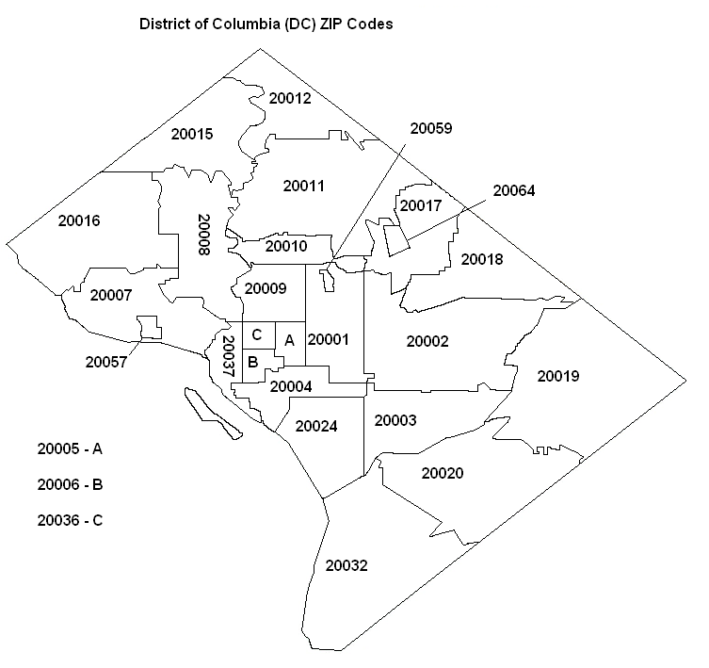
8 | 20008 | 26,195 | 3 | #N/A | #N/A | #N/A | #N/A | 2 | 3.5 | #N/A | #N/A | 2 | 3.5
9 | 20009 | 46,561 | 4 | #N/A | #N/A | #N/A | #N/A | #N/A | #N/A | 2.5 | 3 | 2.5 | 3
10 | 20010 | 28,772 | 3 | #N/A | #N/A | #N/A | #N/A | 3 | 4.5 | #N/A | #N/A | 3 | 4.5
11 | 20011 | 57,444 | 4 | #N/A | #N/A | #N/A | #N/A | #N/A | #N/A | 3.5 | 5 | 3.5 | 5
12 | 20012 | 13,604 | 2 | #N/A | #N/A | 3 | 5.5 | #N/A | #N/A | #N/A | #N/A | 3 | 5.5
13 | 20015 | 15,824 | 3 | #N/A | #N/A | #N/A | #N/A | 2.5 | 5 | #N/A | #N/A | 2.5 | 5
14 | 20016 | 31,374 | 4 | #N/A | #N/A | #N/A | #N/A | #N/A | #N/A | 2 | 4.5 | 2 | 4.5
15 | 20017 | 19,170 | 3 | #N/A | #N/A | #N/A | #N/A | 4 | 4.5 | #N/A | #N/A | 4 | 4.5
16 | 20018 | 16,991 | 3 | #N/A | #N/A | #N/A | #N/A | 4.5 | 4 | #N/A | #N/A | 4.5 | 4
17 | 20019 | 52,793 | 4 | #N/A | #N/A | #N/A | #N/A | #N/A | #N/A | 5 | 3.5 | 5 | 3.5
18 | 20020 | 49,899 | 4 | #N/A | #N/A | #N/A | #N/A | #N/A | #N/A | 4 | 2.5 | 4 | 2.5
19 | 20024 | 11,795 | 2 | #N/A | #N/A | 3 | 1.5 | #N/A | #N/A | #N/A | #N/A | 3 | 1.5
20 | 20032 | 31,688 | 4 | #N/A | #N/A | #N/A | #N/A | #N/A | #N/A | 2 | 0.5 | 2 | 0.5
21 | 20036 | 3,808 | 1 | 2.5 | 4 | #N/A | #N/A | #N/A | #N/A | #N/A | #N/A | 2.5 | 4
22 | 20037 | 12,642 | 2 | #N/A | #N/A | 2 | 1.5 | #N/A | #N/A | #N/A | #N/A | 2 | 1.5
23 | 20057 | 3,888 | 1 | 2.5 | 2 | #N/A | #N/A | #N/A | #N/A | #N/A | #N/A | 2.5 | 2
24 | 20059 | 100 | 1 | 4 | 3.5 | #N/A | #N/A | #N/A | #N/A | #N/A | #N/A | 4 | 3.5
25 | 20064 | 1,890 | 1 | 3.5 | 4 | #N/A | #N/A | #N/A | #N/A | #N/A | #N/A | 3.5 | 4

