SUMMARY (2)
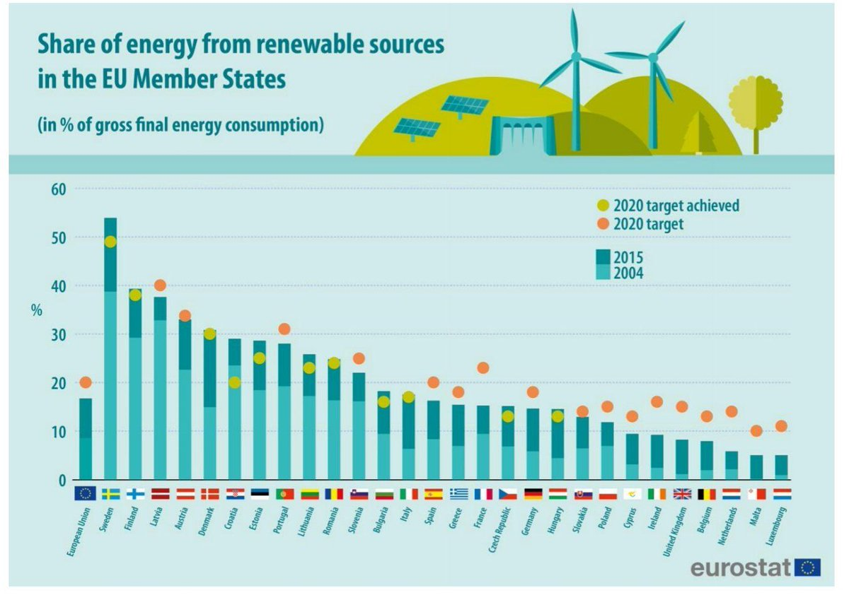
Overall share of energy from renewable sources (Directive 2009/28/EC)
 |  | Height | 2004 | 2015 | 2020 target | Error | PosErro | 2020 Target Error | Taret Met | Target Not Met
EU28 | EU28 | 29 | 8.5% | 16.7% | 20.0% | 8.2% | 8.2% | 3.3% | #N/A | 20.0%
Share of energy from renewable sources in the EU Member States (% of gross final energy consumption)
SE | Sweden | 28 | 38.7% | 53.9% | 49.0% | 15.2% | 15.2% | -4.9% | 49.0% | #N/A
FI | Finland | 27 | 29.2% | 39.3% | 38.0% | 10.1% | 10.1% | -1.3% | 38.0% | #N/A
LV | Latvia | 26 | 32.8% | 37.6% | 40.0% | 4.8% | 4.8% | 2.4% | #N/A | 40.0%
AT | Austria | 25 | 22.6% | 33.0% | 34.0% | 10.4% | 10.4% | 1.0% | #N/A | 34.0%
DK | Denmark | 24 | 14.9% | 30.8% | 30.0% | 16.0% | 16.0% | -0.8% | 30.0% | #N/A
HR | Croatia | 23 | 23.5% | 29.0% | 20.0% | 5.5% | 5.5% | -9.0% | 20.0% | #N/A
EE | Estonia | 22 | 18.4% | 28.6% | 25.0% | 10.2% | 10.2% | -3.6% | 25.0% | #N/A
PT | Portugal | 21 | 19.2% | 28.0% | 31.0% | 8.8% | 8.8% | 3.0% | #N/A | 31.0%
LT | Lithuania | 20 | 17.2% | 25.8% | 23.0% | 8.5% | 8.5% | -2.8% | 23.0% | #N/A
RO | Romania | 19 | 16.3% | 24.8% | 24.0% | 8.4% | 8.4% | -0.8% | 24.0% | #N/A
SI | Slovenia | 18 | 16.1% | 22.0% | 25.0% | 5.8% | 5.8% | 3.0% | #N/A | 25.0%
BG | Bulgaria | 17 | 9.4% | 18.2% | 16.0% | 8.8% | 8.8% | -2.2% | 16.0% | #N/A
IT | Italy | 16 | 6.3% | 17.5% | 17.0% | 11.2% | 11.2% | -0.5% | 17.0% | #N/A
ES | Spain | 15 | 8.3% | 16.2% | 20.0% | 7.8% | 7.8% | 3.8% | #N/A | 20.0%
EL | Greece | 14 | 6.9% | 15.4% | 18.0% | 8.5% | 8.5% | 2.6% | #N/A | 18.0%
FR | France | 13 | 9.4% | 15.2% | 23.0% | 5.8% | 5.8% | 7.8% | #N/A | 23.0%
CZ | Czech Republic | 12 | 6.8% | 15.1% | 13.0% | 8.2% | 8.2% | -2.1% | 13.0% | #N/A
DE | Germany | 11 | 5.8% | 14.6% | 18.0% | 8.8% | 8.8% | 3.4% | #N/A | 18.0%
HU | Hungary | 10 | 4.4% | 14.5% | 13.0% | 10.1% | 10.1% | -1.5% | 13.0% | #N/A
SK | Slovak Republic | 9 | 6.4% | 12.9% | 14.0% | 6.5% | 6.5% | 1.1% | #N/A | 14.0%
PL | Poland | 8 | 6.9% | 11.8% | 15.0% | 4.9% | 4.9% | 3.2% | #N/A | 15.0%
CY | Cyprus | 7 | 3.1% | 9.4% | 13.0% | 6.3% | 6.3% | 3.6% | #N/A | 13.0%
IE | Ireland | 6 | 2.4% | 9.2% | 16.0% | 6.8% | 6.8% | 6.8% | #N/A | 16.0%
UK | United Kingdom | 5 | 1.1% | 8.2% | 15.0% | 7.1% | 7.1% | 6.8% | #N/A | 15.0%
BE | Belgium | 4 | 1.9% | 7.9% | 13.0% | 6.0% | 6.0% | 5.1% | #N/A | 13.0%
NL | Netherlands | 3 | 2.1% | 5.8% | 14.0% | 3.8% | 3.8% | 8.2% | #N/A | 14.0%
MT | Malta | 2 | 0.1% | 5.0% | 10.0% | 4.9% | 4.9% | 5.0% | #N/A | 10.0%
LU | Luxembourg | 1 | 0.9% | 5.0% | 11.0% | 4.1% | 4.1% | 6.0% | #N/A | 11.0%

