DotPlot
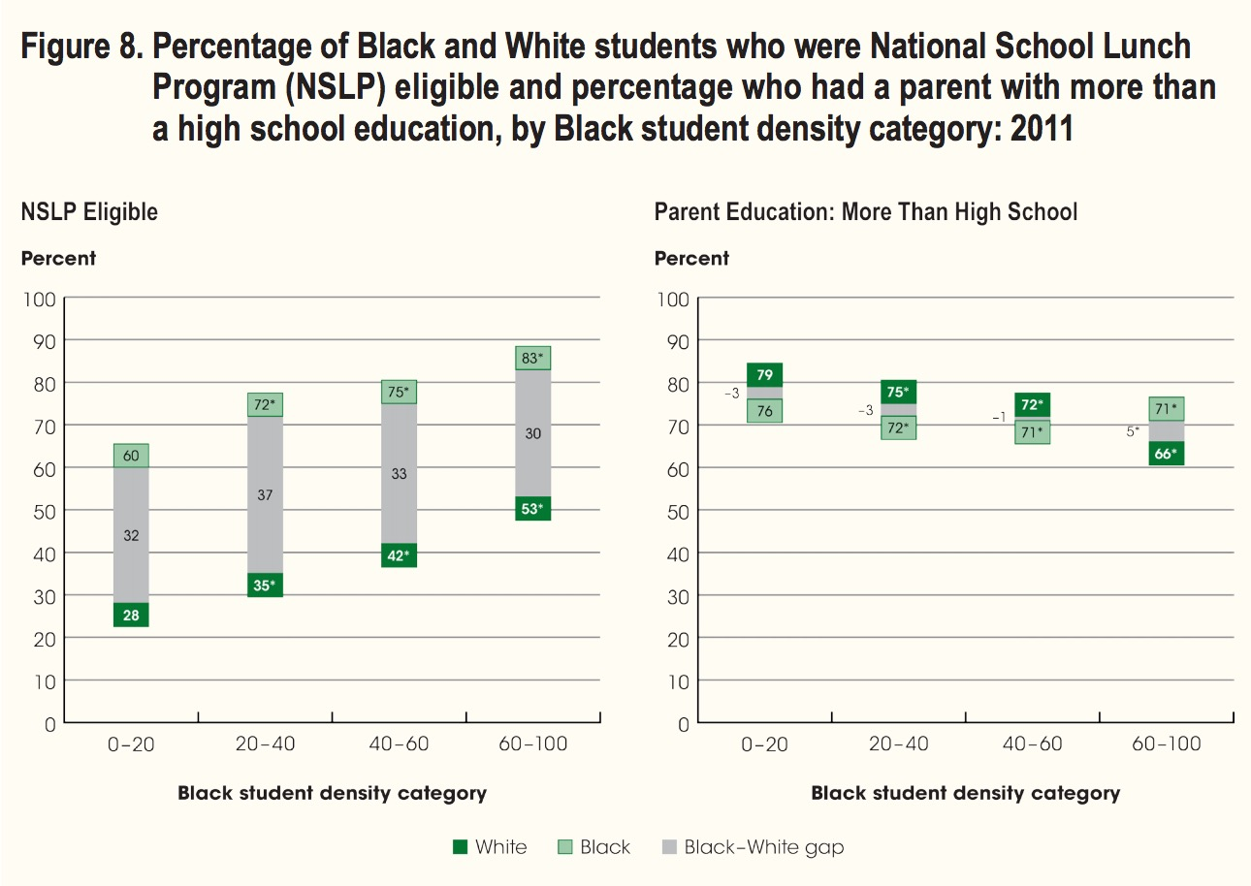
 |  | NSLP |  |  |  | Parent Education
 | Xvalues | White | Black | Error | Gap | White | Black | Error | Gap
0-20 | 1 | 28 | 60 | -32 | 44 | 79 | 76 | 3 | 77.5
20-40 | 2 | 35 | 72 | -37 | 53.5 | 75 | 72 | 3 | 73.5
40-60 | 3 | 42 | 75 | -33 | 58.5 | 72 | 71 | 1 | 71.5
60-100 | 4 | 53 | 83 | -30 | 68 | 66 | 71 | -5 | 68.5
 | 1 | 28 | 60 |  | 35 | 79 | 76 |  | 35
 |  |  |  |  | Gap |  |  |  | Gap
 |  |  |  |  | -32 |  |  |  | 3
 |  |  |  |  | -37 |  |  |  | 3
 |  |  |  |  | -33 |  |  |  | 1
 |  |  |  |  | -30 |  |  |  | -5

National School Lunch Program Eligible (Percent)
Parent Education: More Than High School (Percent)

