Original
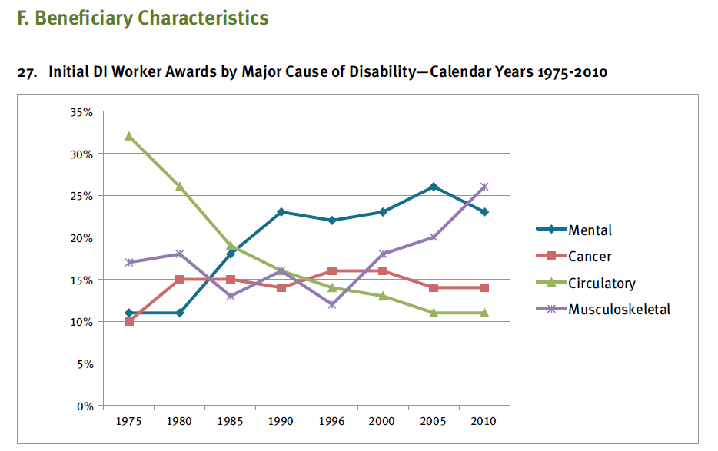
27. Initial DI Worker Awards by Major Cause of Disability—Calendar Years 1975-2010

Year | Mental, psychoneurotic, & Personality disorders | Cancer/Neoplasms | Circulatory System | Musculoskeletal System
1975 | 11% | 10% | 32% | 17%
1980 | 11% | 15% | 26% | 18%
1985 | 18% | 15% | 19% | 13%
1990 | 23% | 14% | 16% | 16%
1995 | 22% | 16% | 14% | 12%
2000 | 23% | 16% | 13% | 18%
2005 | 26% | 14% | 11% | 20%
2010 | 23% | 14% | 11% | 26%

Source:

U.S. Social Security Administration, Office of Research, Evaluation and Statistics, SSA-831 File, data received August 2011

 | 11 | 10 | 32 | 17
 | 11 | 15 | 26 | 18 | http://www.ssab.gov/Publications/Disability/GPO_Chartbook_FINAL_05212012.pdf
 | 18 | 15 | 19 | 13
 | 23 | 14 | 16 | 16
 | 22 | 16 | 14 | 12
 | 23 | 16 | 13 | 18
 | 26 | 14 | 11 | 20
 | 23 | 14 | 11 | 26

Redesign
 |  |  |  |  | Initial DI Worker Awards by Major Cause of Disability–
 |  |  |  |  | Calendar Years 1975-2010
 |  |  |  |  | (Percent)
 | Musculoskeletal | Mental | Cancer | All2 | Circulatory
1975 | 17 | 11 | 10 | 32 | 32
1980 | 18 | 11 | 15 |  | 26
1985 | 13 | 18 | 15 |  | 19
1990 | 16 | 23 | 14 |  | 16
1995 | 12 | 22 | 16 |  | 14
2000 | 18 | 23 | 16 |  | 13
2005 | 20 | 26 | 14 |  | 11
2010 | 26 | 23 | 14 | 11 | 11
 | Musculoskeletal | Cancer |  | Circulatory | Mental
1975 | 17 | 10 | 11 | 32 | 11
1980 | 18 | 15 |  | 26 | 11
1985 | 13 | 15 |  | 19 | 18
1990 | 16 | 14 |  | 16 | 23
1995 | 12 | 16 |  | 14 | 22
2000 | 18 | 16 |  | 13 | 23
2005 | 20 | 14 |  | 11 | 26
2010 | 26 | 14 | 23 | 11 | 23
 |  |  |  |  | Circulatory | Mental
 |  |  |  |  | Mental | Circulatory

 |  |  |  |  | Musculoskeletal | Cancer
 | Mental | Cancer |  | Circulatory | Musculoskeletal
1975 | 11 | 10 | 17 | 32 | 17
1980 | 11 | 15 |  | 26 | 18
1985 | 18 | 15 |  | 19 | 13
1990 | 23 | 14 |  | 16 | 16
1995 | 22 | 16 |  | 14 | 12
2000 | 23 | 16 |  | 13 | 18
2005 | 26 | 14 |  | 11 | 20
2010 | 23 | 14 | 26 | 11 | 26
 | Musculoskeletal | Mental | Circulatory | Cancer
1975 | 17 | 11 | 32 | 10 | 10
1980 | 18 | 11 | 26 | 15
1985 | 13 | 18 | 19 | 15
1990 | 16 | 23 | 16 | 14
1995 | 12 | 22 | 14 | 16
2000 | 18 | 23 | 13 | 16
2005 | 20 | 26 | 11 | 14
2010 | 26 | 23 | 11 | 14 | 14

 | Circulatory | Musculoskeletal | Mental | Cancer
1975 | 32 | 17 | 11 | 10
1980 | 26 | 18 | 11 | 15
1985 | 19 | 13 | 18 | 15
1990 | 16 | 16 | 23 | 14
1995 | 14 | 12 | 22 | 16
2000 | 13 | 18 | 23 | 16
2005 | 11 | 20 | 26 | 14
2010 | 11 | 26 | 23 | 14

 | Circulatory | Musculoskeletal | Mental | Cancer
1975 | 32 | 17 | 11 | 10
1980
1985
1990
1995
2000
2005
2010 | 11 | 26 | 23 | 14

