Original
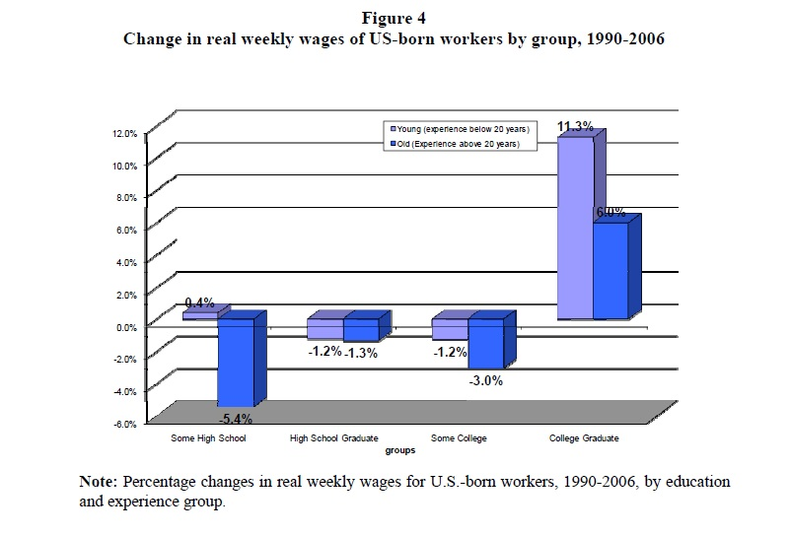

http://www.nber.org/papers/w14188

Redesign
Change in real weekly wages of US-born workers by group, 1990-2006
(Percent)
 |  | Young | Old | Line
 | Some High School | 0.4 | -5.4 | 0
 | High School Graduate | -1.2 | -1.3 | 0
 | Some College | -1.2 | -3 | 0
 | College Graduate | 11.3 | 6 | 0
 |  |  |  | 0
 |  |  |  | 0
 | scatter | x | y
 | Some High School | 1 | -6
 | High School Graduate | 2 | -6
 | Some College | 3 | -6
 | College Graduate | 4 | -6
 | Zero | 1 | 0
 | Young (experience below 20 years) | 0.75 | 5
 | Old (experience above 20 years) | 1.15 | 3.5

